Sheet1
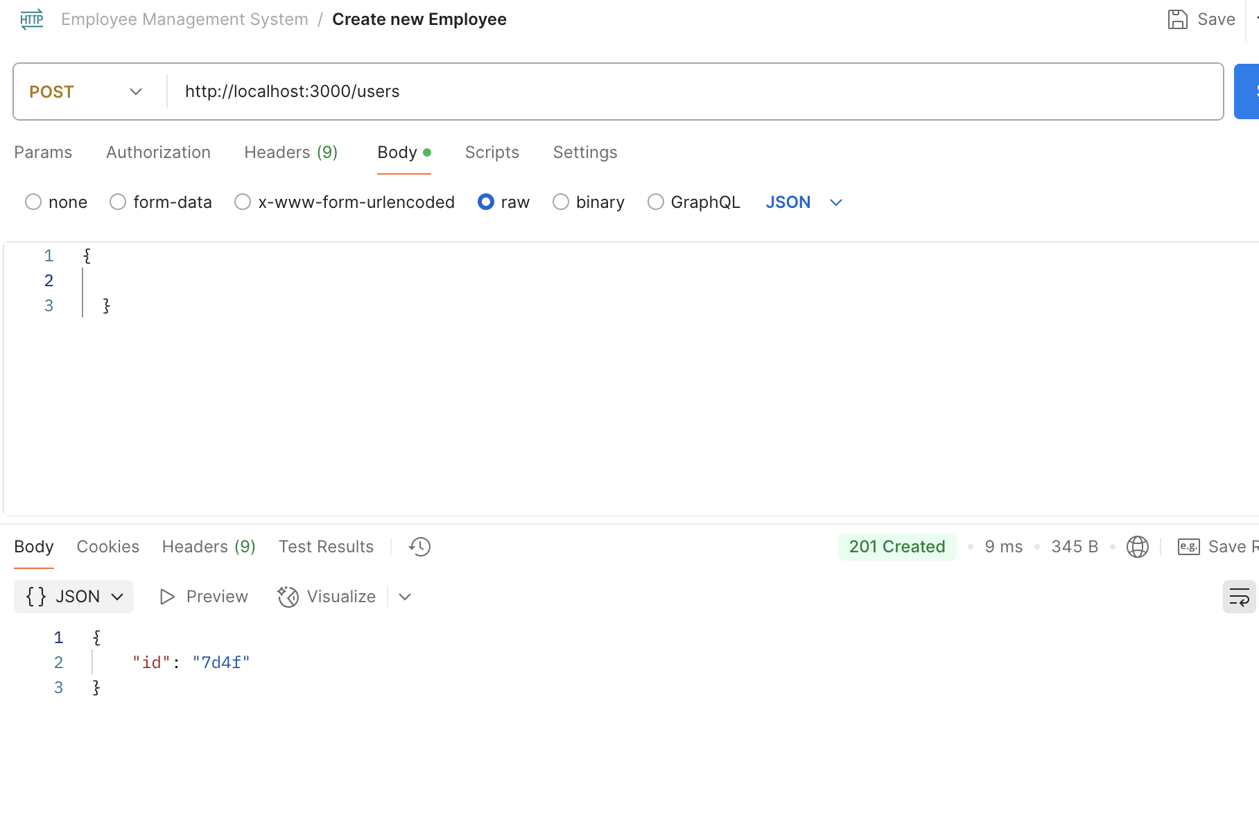
Instance 1: Improper Error Handling on Missing Resource

Bug ID: BUG-001

Summary: API returns 500 Internal Server Error instead of 404 for non-existent user ID.

Severity: Major

Steps to Reproduce: 1. Send a GET request to http://localhost:3000/users/999 (ID 999 does not exist).

Actual Result: The server returns 500 Internal Server Error.

Expected Result: The server should return 404 Not Found with a message indicating the resource was not found.

Instance 2: Lack of Input Validation on Creation

Bug ID: BUG-002

Summary: Employee creation succeeds with missing mandatory fields.

Severity: Critical

Steps to Reproduce:

Send a POST request to http://localhost:3000/users.

Provide an empty JSON body {}.

Actual Result: The API returns 201 Created and adds an empty object to the database.

Expected Result: The API should return 400 Bad Request and reject the payload due to missing first_name and email fields.

